Sheet1
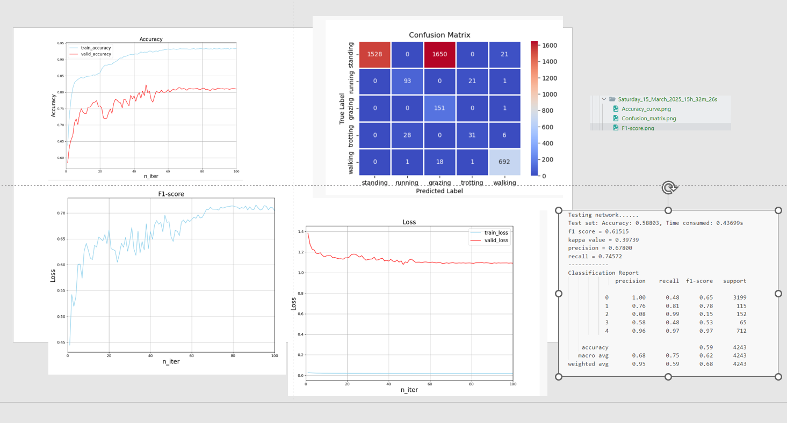
 |  |  |  |  |  | PatchTST参数 |  |  |  | 结果可以截图放在下面
batch size | lr | weight_d | epoch | gamma | beta | self.e_layers | self.patch_len | self.stride | self.d_model | 验证集loss | 验证集准确度 | 训练集 loss | 验证集准确度 | class_report
256 | 0.0001 | 0 | 100 | 3 | 0.9999 | 2 | 5 | 3 | 64 |  | 8

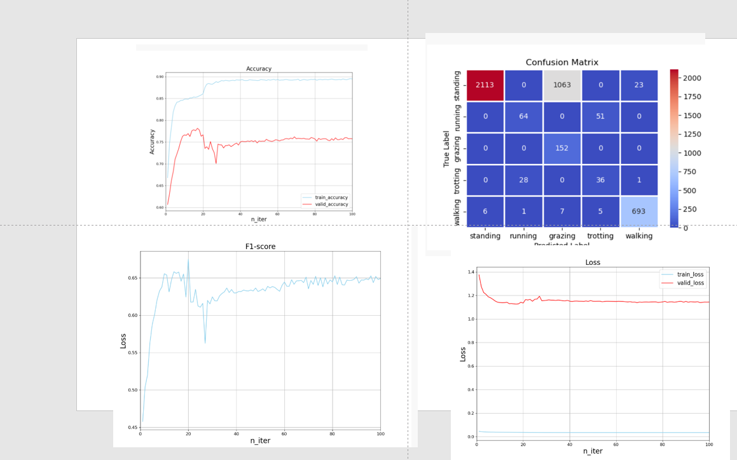
 |  |  |  |  |  | PatchTST参数
batch size | lr | weight_d | epoch | gamma | beta | self.e_layers | self.patch_len | self.stride | self.d_model
256 | 0.0001 | 0.0001 | 100 | 3 | 0.9999 | 2 | 5 | 3 | 64

